1. Title Page
Instacart Grocery Basket Analysis

Project Name: Instacart Grocery Basket Analysis
Date: February 2023
Analyst Name: Andrew Smith

Contents:
Population Flow
Consistency checks
Wrangling steps
Column derivations
Visualizations & Results

2. Population Flow
Title page

Population flow

Exclusion flag
Condition: max_order < 5
Obervations to be removed (low-activity customers): 1,440,295
Count of high_activity_customers: 30,964,564
Final total count of order_products_all: 32,404,859

Orders_products_combined
Orders_products_merged
Orders_products_all

Total:32,404,859
Total: 32,434,489
Total: 32,404,859

1.) The grey boxes in the first row of the population flow represent the original data sets as they were when you downloaded them. In the Total fields you need to add the count of the rows when you imported the data set into Jupyter.
2.) The second row of boxes (coloured) represents the data sets after you manipulated them, e.g., removed missing values and duplicates. In the Total fields you need to add the count of the rows after conducting these operations. This offers a visual oveview of how the data flows throughout the data consistency checks.
3.) The third row, where also the arrows are coloured, represents the merges you performed between the datasets. In the Total fields you need to add the count of the rows in the merged datasets, so that you end up with the final dataset (in the red box). Keep in mind the final dataset should be without exclusions (based on the exclusion flag).

3. Consistency checks
 |  |  |  | Title page
Consistency checks

Dataset | Missing values | Missing values treatment | Duplicates
orders.csv | 206,209 'NaN' values in days_since_prior_order column | Left alone since they represent new customers | None
products.csv | 16 missing values in product_name column | Dropped from dataset | 5 duplicates were found and dropped
orders_products_prior.csv | None | None | None
customers.csv | 11259 customer first names were missing | Left alone since you can't assume a first name and the customer_id can identify a customer | None
cus_ords_prods.pkl | Prices over 100 are changed to NaNs since we assume no items are over that price | Left alone and not deleted because the rows could still contain valuable information | None

4. Wrangling steps
 |  |  |  | Title page
Wrangling steps

Columns dropped | Columns renamed | Columns' type changed | Comment/Reason
'eval_set' |  |  | Unnecessary for analysis
 | 'order_dow' : 'orders_day_of_week' |  | More clarity for column name
 |  | 'order_id' changed from number to string | I wanted describe function to ignore this column. Not useful for descriptive statistics
 |  | 'user_id' changed from number to string | I wanted describe function to ignore this column. Not useful for descriptive statistics
'Unnamed: 0' |  |  | Error column from data export/import
'_merge' |  |  | Unnecessary for analysis (shows that datasets were merged)
 | First Name' : 'first_name' |  | Makes name lower case and consistent with other columns
 | 'Surnam' : 'last_name' |  | Consistent with first_name column and is more understadable
 | 'Gender' : 'gender' |  | Makes name lower case and consistent with other columns
 | STATE' : 'state' |  | Makes name lower case and consistent with other columns
 | 'Age' : 'age' |  | Makes name lower case and consistent with other columns
 | 'n_dependants' : 'num_of_dependants' |  | More clarity for column name
 | 'fam_status' : 'marriage_status' |  | More clarity for column name
 |  | 'first_name' changed from mixed to string | To make all column types consistent
'new_customer' |  |  | Wasn't necesarry since we know NaN values in days_since_prior_order column represent a new customer
'first_name' and 'last_name' |  |  | These columns contained 'PII' or personal information

5. Column derivations
 |  |  |  | Title page

Column derivations and aggregations

In this tab you should add tables below that the frequences of flags/label variables that you produced after deriving them. NB: don't do this for continuous variables, only for flags.
Dataset | New column | Column/s it was derived from | Conditions
orders_products_merge.pkl | 'price_range_loc' | 'prices' | if ['prices'] > 15, = 'High-range product' if ['prices'] <= 15 & > 5, = 'Mid-range product' if ['prices'] <= 5, = 'Low-range product'
orders_products_merge.pkl | 'busiest_day' | 'orders_day_of_week' | if value == 0: ("Busiest day") elif value == 4: ("Least busy") else: ("Regularly busy")
orders_products_merge.pkl | 'busiest_days' | 'orders_day_of_week' | if value == 0 or value == 1: ("Busiest days") elif value == 4 or value == 3: ("Slowest days") else: ("Regular days")
orders_products_merge.pkl | 'busiest_period_of_day' | 'order_hour_of_day' | if value >= 9 and value <= 16: ("Most orders") elif value <=6: ("Fewest orders") else: ("Average orders")
updated_orders_products_merged.pkl | 'max_order' | 'user_id' and 'order_number' | .groupby (['user_id']) ['order_number'].transform(np.max)
updated_orders_products_merged.pkl | 'loyalty_flag' | 'max_order' | if ['max_order'] > 40, = 'Loyal customer' if ['max_order'] <= 40 & ['max_order'] > 10, = 'Regular customer' if ['max_order'] <= 10, = 'New customer'
updated_orders_products_merged.pkl | 'avg_user_price' | 'user_id' and 'prices' | .groupby(['user_id'])['prices'].transform(np.average)
updated_orders_products_merged.pkl | ' spending_flag' | 'avg_user_price' | if ['avg_user_price'] < 10, = 'Low spender' if ['avg_user_price'] >= 10, = 'High spender'
updated_orders_products_merged.pkl | 'median_days_prior_order' | 'user_id' and 'days_since_prior_order' | .groupby(['user_id'])['days_since_prior_order'].transform(np.median)
updated_orders_products_merged.pkl | 'order_frequency_flag' | 'median_days_prior_order' | if ['median_days_prior_order'] > 20, = 'Non-frequent customer' if ['median_days_prior_order'] <= 20) & ['median_days_prior_order'] > 10), = 'Regular customer' if ['median_days_prior_order'] <= 10, = 'Frequent customer'
cus_ords_prods.pkl | 'region' | 'state' | NE = ['Maine','New Hampshire','Vermont','Massachusetts','Rhode Island','Connecticut','New York','Pennsylvania','New Jersey'] MW = ['Wisconsin','Michigan','Illinois','Indiana','Ohio','North Dakota','South Dakota','Nebraska','Kansas','Minnesota','Iowa','Missouri'] S = ['Delaware','Maryland','District of Columbia','Virginia','West Virginia','North Carolina','South Carolina','Georgia','Florida','Kentucky','Tennessee','Mississippi','Alabama','Oklahoma','Texas','Arkansas','Louisiana'] W=['Idaho','Montana','Wyoming','Nevada','Utah','Colorado','Arizona','New Mexico','Alaska','Washington','Oregon','California','Hawaii'] if ['state'].isin (NE), = 'Northeast' if ['state'].isin (MW), = 'Midwest' if ['state'].isin (S), = 'South' if ['state'].isin (W), = 'West'
cus_ords_prods.pkl | 'exclusion_flag' | 'max_order' | if ['max_order'] < 5, = 'Low-activity' if ['max_order'] >= 5, = 'High-activity'
cus_ords_prods.pkl | 'age_flag' | 'age' | if ['age'] <= 24, = 'Young adult' if ['age'] <= 39) & ['age'] >= 25), = 'Adult' if ['age'] <= 64) & ['age'] >= 40), = 'Middle age' if ['age'] >= 65, = 'Senior'
cus_ords_prods.pkl | 'income_flag' | 'income' | if ['income'] <= 32048, = 'Low class' if ['income'] <= 53413) & ['income'] >= 32049), = 'Lower-middle class' if ['income'] <= 106827) & ['income'] >= 53414), = 'Middle class' if ['income'] <=373894 ) & ['income'] >= 106828), = 'Upper-middle class' if ['income'] >= 373895, = 'Wealthy class'
cus_ords_prods.pkl | 'pet_owner_flag' | 'department_id' , 'marriage_status', and 'num_of_dependants' | if ['department_id'] == 8) & ['num_of_dependants'] <= 0) & ['marriage_status'] == 'single'), = 'Single w/ pet' if ['department_id'] == 8) & ['num_of_dependants'] > 0) & ['marriage_status'] == 'married'), = 'Family w/ pet' if ['department_id'] != 8) & ['num_of_dependants'] > 0) & ['marriage_status'] == 'married'), = 'Family w/out pet' if ['department_id'] != 8) & ['num_of_dependants'] <= 0) & ['marriage_status'] == 'single'), = 'Single w/out pet' if ['department_id'] != 8) & ['num_of_dependants'] <= 0) & ['marriage_status'] == 'divorced/widowed'), = 'Single w/out pet' if ['department_id'] == 8) & ['num_of_dependants'] <= 0) & ['marriage_status'] == 'divorced/widowed'), = 'Single w/ pet' if ['department_id'] != 8) & ['num_of_dependants'] > 0) & ['marriage_status'] == 'living with parents and siblings'), = 'Family w/out pet' if ['department_id'] == 8) & ['num_of_dependants'] > 0) & ['marriage_status'] == 'living with parents and siblings'), = 'Family w/ pet'

6.-7. Visualizations & Results
 |  |  |  |  | Title page

Visualisations

In this tab you should include all the visualtions from Exercises 4.9 and 4.10, alongside the questions from the project brief that they answer. Include any commentary on the relationship between different variables.

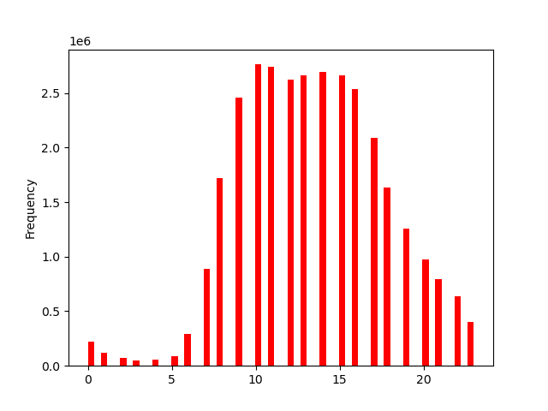
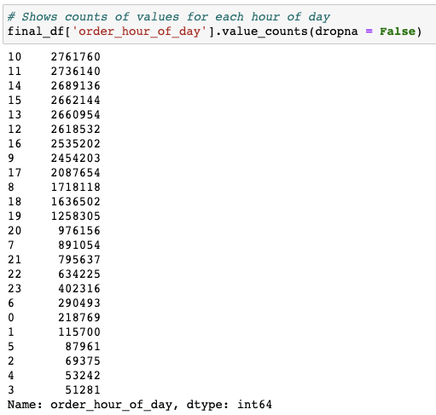
 | ● 1)The sales team needs to know what the busiest days of the week and hours of the day are (i.e., the days and times with the most orders) in order to schedule ads at times when there are fewer orders.
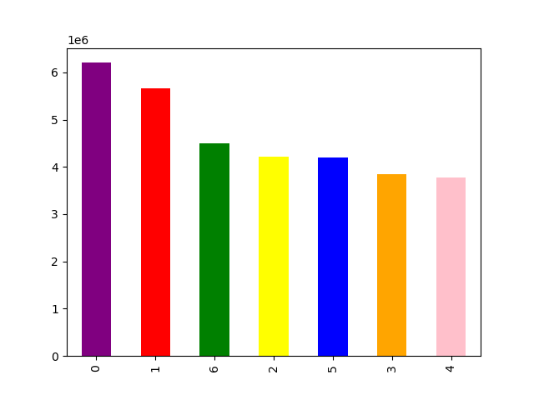
KEY
0= Saturday
1= Sunday
2= Monday
3= Tuesday
4= Wednesday
5= Thursday
6= Friday

Frequency

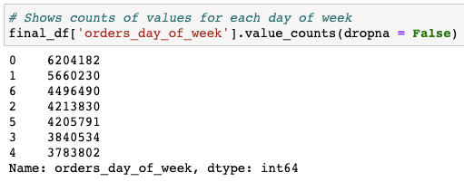

Hour of Day

Day of Week

 | Results: The bar graph shows that the weekend has the busiest days of the week with Saturday having the highest frequency, followed by Sunday, then Friday. The histogram demonstrates the frequency of orders during a certain hour of the day. Based on the histogram, the majority of orders happen anywhere from 9 am to 4pm. The peak of orders is around 10 and 11 am. After 4pm the orders start to decrease and are minimal in the evening, late night, and early morning. Therefore if you wanted to schedule ads when there are fewer orders being made, then I would recommend doing so on Monday-Thursday during the evening/late night or early morning times anywhere from 5pm-7am.

 | ● 2) They also want to know whether there are particular times of the day when people spend the most money, as this might inform the type of products they advertise at these times.
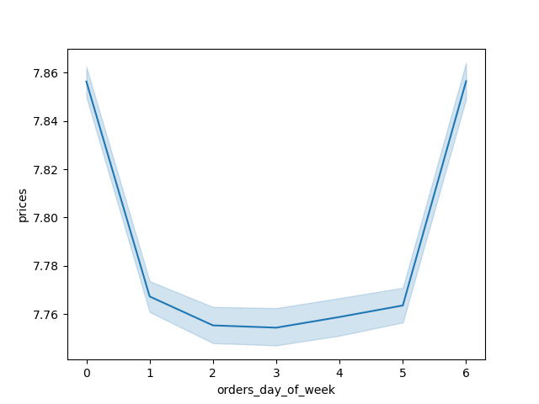
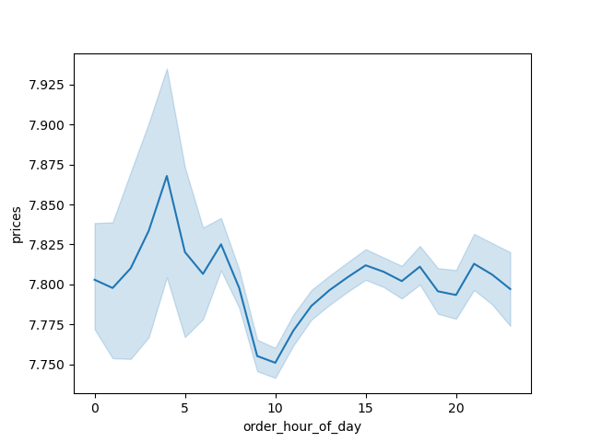

KEY
0= Saturday
1= Sunday
2= Monday
3= Tuesday
4= Wednesday
5= Thursday
6= Friday

 | Results: The line charts compare order hours of the day and order day of the week with prices of products. The order hour of day line chart shows that the price of the orders are highest in the late evenings/early mornings peaking at around 2-5am. The price of the orders are the lowest at around 9-11am. These results could likely be due to certain items that are most likely to be spent during a certain time like alcohol during late hours which happens to be more expensive. Also something to keep in mind is that more orders are frequent during 10-11am but are less expensive which could mean that customers are grabbing small quick items or healthier items like produce during more productive hours of the day. The orders day of the week line chart shows that the price of orders are the highest on Friday and Saturday which shows that customers are likely picking up expensive products like baby supplies, seafood, alcohol, etc to enjoy their weekend or buy things that they don't have time for during the week.

 | ● 3) Instacart has a lot of products with different price tags. Marketing and sales want to use simpler price range groupings to help direct their efforts.

 | How price ranges are grouped: Priced $5 or less= Low-range product Priced between $6 and $15= Mid-range product Priced over $15= High-range product

 | ● 4)Are there certain types of products that are more popular than others? The marketing and sales teams want to know which departments have the highest frequency of product orders
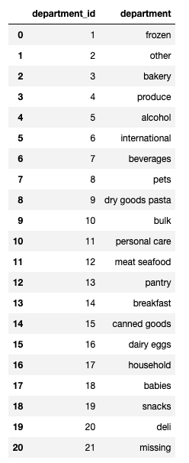
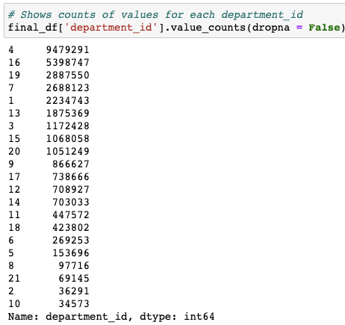
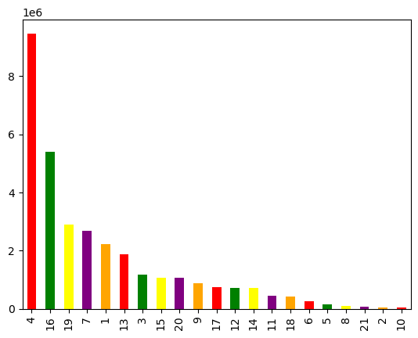

Frequency

Department_id

 | Results: The departments with the highest frequency of orders are produce, dairy eggs, snacks, beverages, and frozen.

 | ● 5)The marketing and sales teams are particularly interested in the different types of customers in their system and how their ordering behaviors differ. For example: ● What’s the distribution among users in regards to their brand loyalty (i.e., how often do they return to Instacart)?
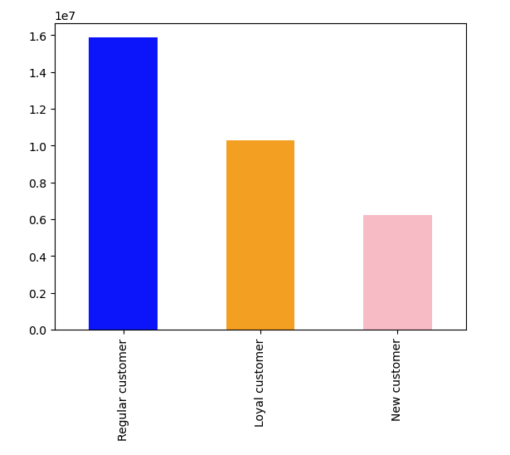

Frequency

 | Results: Ordered more than 40 times= Loyal customer Ordered between 11-40 times = Regular customer Ordered 10 or less times= New customer

 | ● Are there differences in ordering habits based on a customer’s loyalty status?

avg_user_price is $10 or more = high spender avg_user_price is less than $10 = low spender

 | Results : Yes, new customers on average buy more expensive orders compared to regular and loyal customers. The majority of customers regardless of loyalty is a low spender with loyal and regular customers having the highest counts in that category
 | ● Are there differences in ordering habits based on a customer’s region?
 | 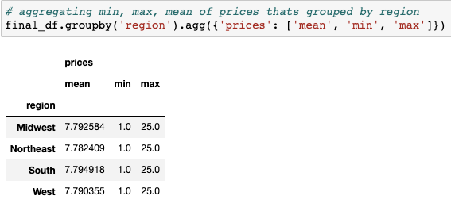 |  | 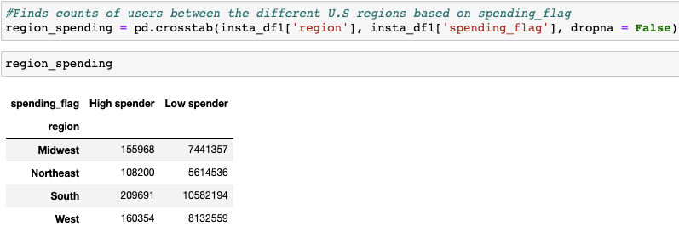
 | Results : No, there isn't much of a difference in spending habits between U.S. regions other than the majority of customers are low spenders. The south region has the highest counts of both spender types while the northeast region has the lowest counts of both spender types. The mean prices per region are essentially the same.

 | ● Is there a connection between age and family status in terms of ordering habits?

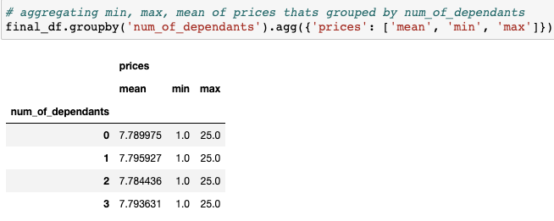

 | 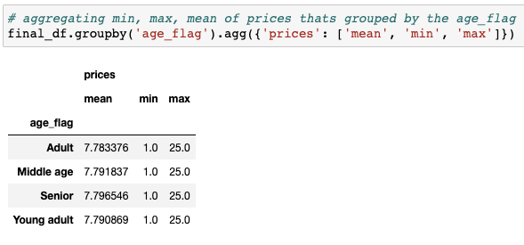 | 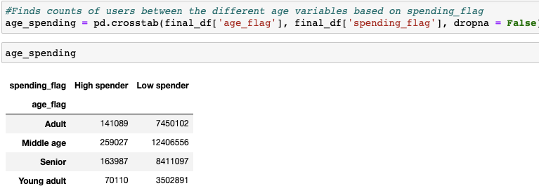
 | Results : No, there isn't much of a difference in spending habits between age and number of dependants other than the majority of customers are low spenders. The middle-age group has the highest counts of both spender types with seniors and adults following. The counts of high and low spenders per number of dependant are essentially the same. The mean prices per age group and per number of dependants are basically the same as well.

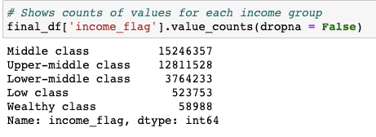
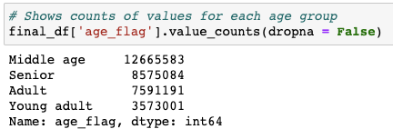
 | ● 6)What different classifications does the demographic information suggest? Age? Income? Certain types of goods? Family status?

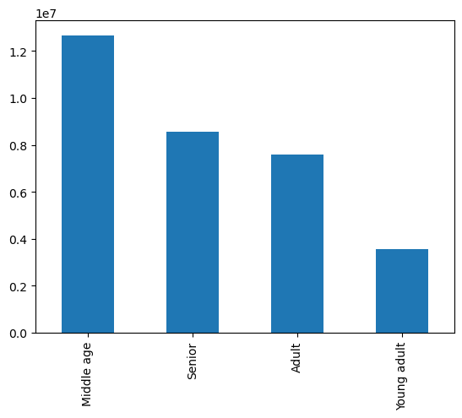

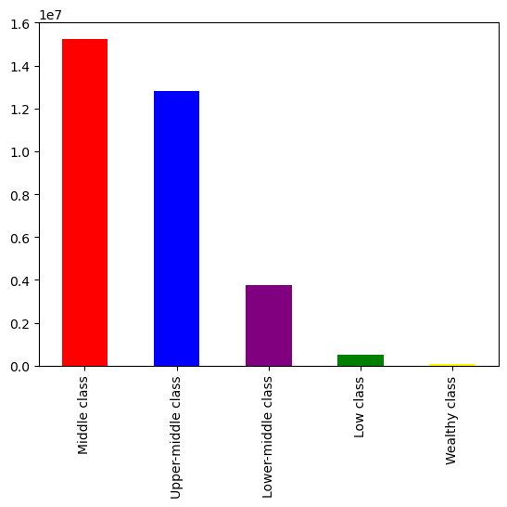

Frequency
Frequency

Age Group

Income Cateogory

 | Results : Starting from left to right on each graph, the scatter plot comparing age and income gives many insights into who is making the most money. The highest incomes overall come from ages 40-80 years old ranging from around 300k to 600k and are less frequent. The majority of incomes for ages 40-80 years old range from 25k-300k. The customers who are ages 20-40 years old have the highest incomes for that age group at around 200k to 400k and are less frequent. The majority of incomes for ages 20-40 years old range from 25k-200k. Overall, there is a connection between age and income with older ages making far more than younger ages. In terms of customer counts per income class , the second bar chart shows that middle and upper-middle class customers make up the majority of orders. The third bar chart shows that middle age customers make up the majority of orders with seniors, adults, and young adults following. This provides the insight that middle age and middle class customers are the most frequent shoppers. The line chart on the far right shows that every age appears to have a large fluctuation of number of dependants. Therefore there isn't much of a connection between age and number of dependants.

 | ● 7)What differences can you find in ordering habits of different customer profiles? Consider the price of orders, the frequency of orders, the products customers are ordering, and anything else you can think of.

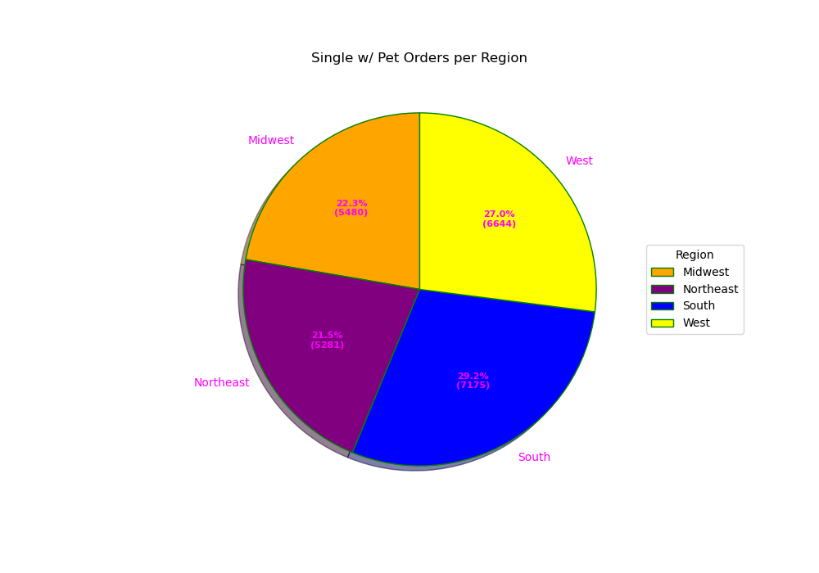
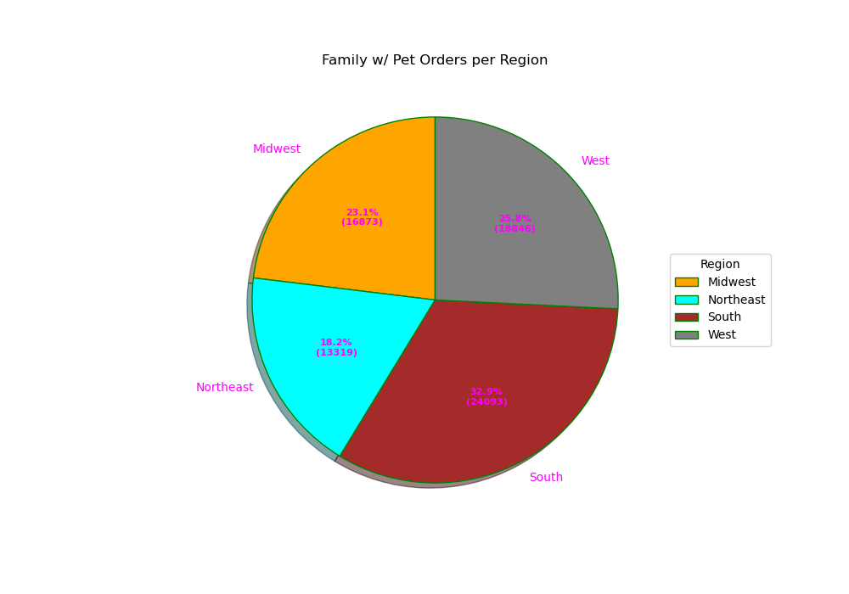

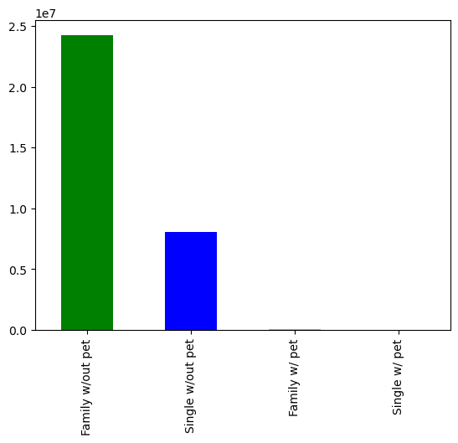


Frequency

 | Flag Explanation: I created a customer profile for pet owners to see which customers are more likely to own a pet and observe their order habits. I figured whether someone is in a family or their marriage status could provide insights into who would own a pet. So I created a profiling variable for customers based on whether they have shopped in the pet department before or not and categorizing them by 'marriage_status' & 'num_of_dependants'. The customers who fall under family are people who live with a family so those who are married and have dependants or dependants who live with parents and siblings will fall in that category. I combined the single and divorced/widowed customers into 'single' since they both don't have any dependants in the entire dataset which means they don't live with a family.

 | Results: It's apparent that many customers don't shop for their pets with instacart. Regardless if they are single, married, divorced, a dependant, family with dependants, no family, it seems that none of them factor into a larger size of pet orders. If you only pay attention to customers who have a pet, the pie charts show that the majority of orders come from the south region. This could be due to warmer weather results in higher numbers of pet owners or that more people shop with instacart in the south according to the results in question 5. Similar results occur for customers that don't shop for a pet but obviously at a much higher frequency. There are higher counts of family with pet customers than single with pet customers. Families account for much higher frequencies than single people in both with pet and without pet categories. There aren't many intriguing insights for spending habits in the pet_owner_flag column since average prices per category is essentially the same and like the results in previous questions, there are more low spenders vs high spenders. |  |  | 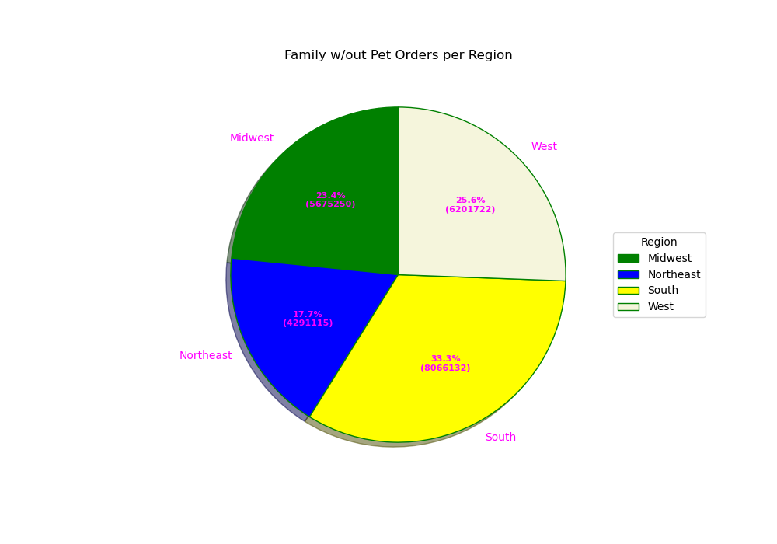 |  | 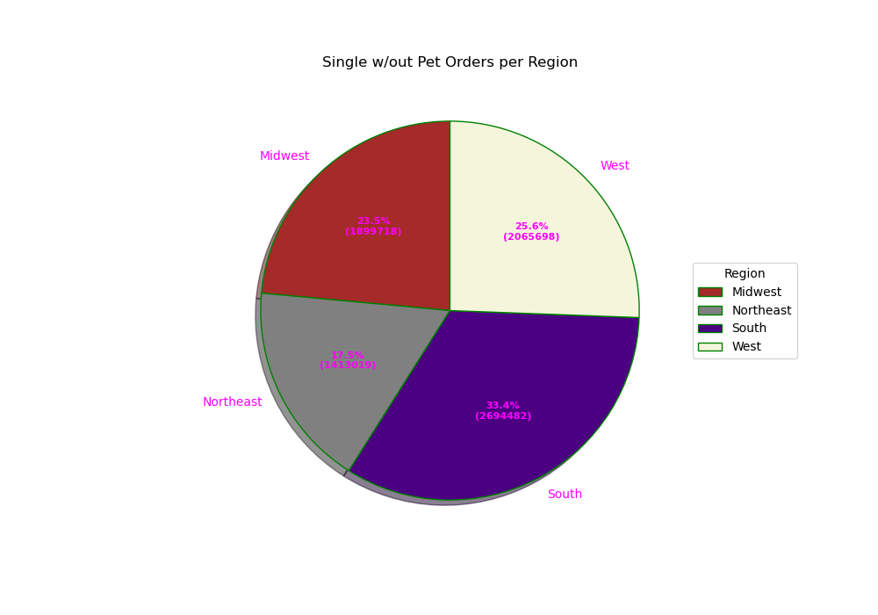

 | Additional: I find it hard to believe that these results represent a whole population since I think there are many more pet owners out there. This could mean that there are better pet shopping options out there rather than instacart and I feel like this could be a great opportunity to change the website to appeal more to pet owners and make more profit. This leads me to a few questions, do pet owners like to shop in person?, do other stores have better prices/deals on pet items?, are there better online shopping alternatives for pet items? While the actual analysis results didn't provide a ton of insights, it does show that pet owners typically don't shop with instacart and this could be a chance to acquire a large influx of new customers to grow the websites customer base even more. |  | 